1. Title Page
[Basket Analysis]

Project Name: Basket Analysis
Date: 9th June 2021
Analyst Name: Isabella Springis

Contents:
Population Flow
Consistency checks
Wrangling steps
Column derivations
Visualizations
Recommendations

2. Population Flow
 |  |  | Title page

Population flow

Exclusion flag
Condition: max_order <
Obervations to be removed:
Final total count of order_products_all:

Orders_products_combined
Orders_products_merged
Orders_products_all

Total:
Total:
Total:
32433030 | 32433030 | 22808339

1.) The grey boxes in the first row of the population flow represent the original data sets as they were when you downloaded them. In the Total fields you need to add the count of the rows when you imported the data set into Jupyter.
2.) The second row of boxes (coloured) represents the data sets after you manipulated them, e.g., removed missing values and duplicates. In the Total fields you need to add the count of the rows after conducting these operations. This offers a visual oveview of how the data flows throughout the data consistency checks.
3.) The third row, where also the arrows are coloured, represents the merges you performed between the datasets. In the Total fields you need to add the count of the rows in the merged datasets, so that you end up with the final dataset (in the red box). Keep in mind the final dataset should be without exclusions (based on the exclusion flag).

3. Consistency checks
 |  |  |  | Title page
Consistency checks

Dataset | Missing values | Missing values treatment | Duplicates
orders | 0 |  | 3214874
products | 0 |  | 5
orders_products_prior | 0 |  | 0
customers | 0 |  | 0

4. Wrangling steps
 |  |  |  | Title page
Wrangling steps

Columns dropped | Columns renamed | Columns' type changed | Comment/Reason
eval_set |  |  | dropped from orders dataframe
 |  | order_id | change to string
 | orders_day_of_week |  | changed to orders_dow

5. Column derivations
 |  |  |  | Title page

Column derivations and aggregations

In this tab you should add tables below that the frequences of flags/label variables that you produced after deriving them. NB: don't do this for continuous variables, only for flags.
Dataset | New column | Column/s it was derived from | Conditions
df_merge_large | price_label | prices_x | if statment
df_merge_large | busiest_day | order_dow | for loop
df_merge_large | busiest_period_of_day | order_hour_of_day | for loop

6. Visualizations
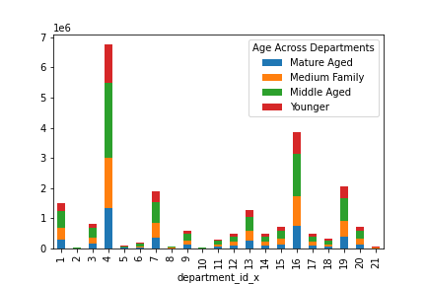
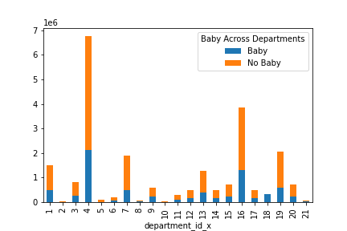
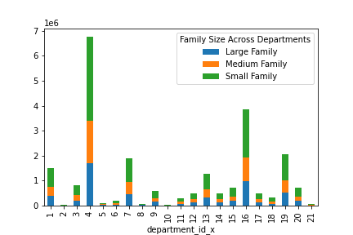
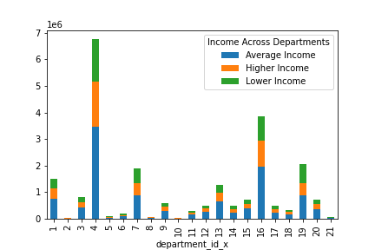
Title page

Visualisations

In this tab you should include all the visualtions from Exercises 4.9 and 4.10, alongside the questions from the project brief that they answer. Include any commentary on the relationship between different variables.

Question 1
The sales team needs to know what the busiest days of the week and hours of the day are (i.e., the days and times with the most orders) in order to schedule ads at times when there are fewer orders.

Busiest Day of Week
Busiest Hour of Day
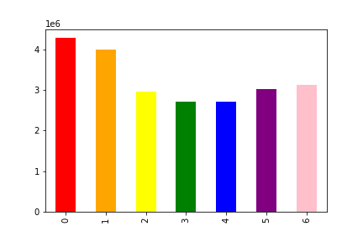
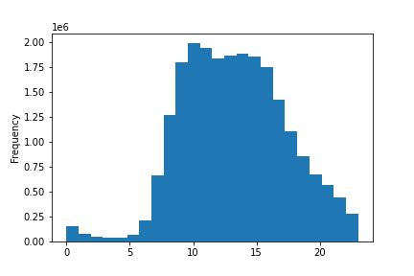

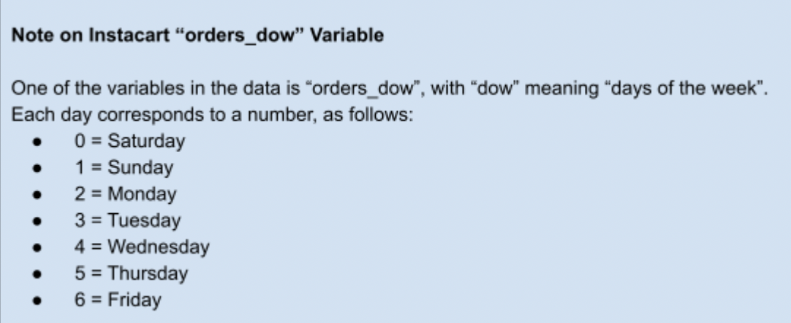

Question 2
They also want to know whether there are particular times of the day when people spend the most money, as this might inform the type of products they advertise at these times.

Spending Across the Day

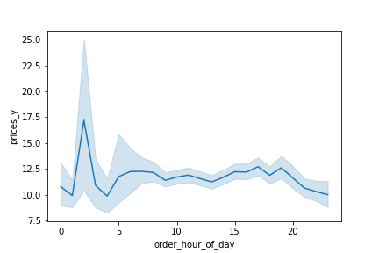

Question 4
Are there certain types of products that are more popular than others? The marketing and sales teams want to know which departments have the highest frequency of product orders.

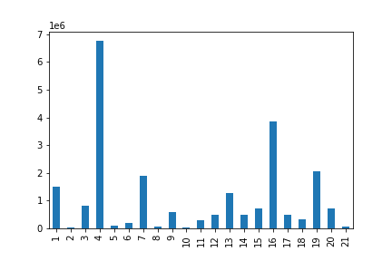

Question 5A
What’s the distribution among users in regards to their brand loyalty (i.e., how often do they return to Instacart)?

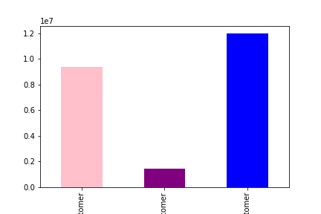

Question 5C
Are there differences in ordering habits based on a customer’s region?

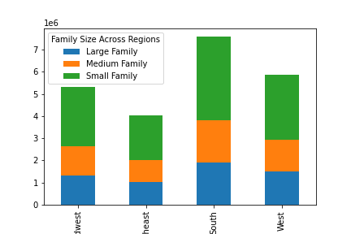
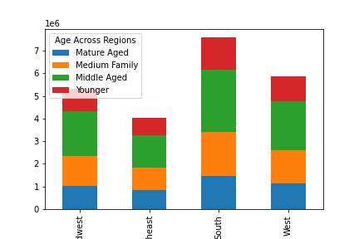

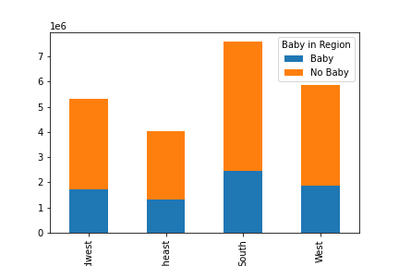
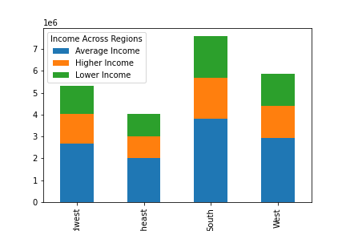

Question 5D
Is there a connection between age and family status in terms of ordering habits?

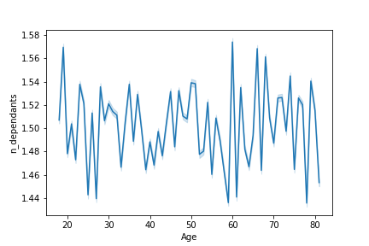

Question 5E
What different classifications does the demographic information suggest? Age? Income? Certain types of goods? Family status?

7. Recommendations
 |  | Title page

Recommendations

In this tab you should include any recommendations you would made to Instcart in terms of their marketing strategy based on the questions posed in the brief. Every key question has been covered in the Tasks of the Exercises - here you need to add an item - a visualisation or table/crosstable that is showing the answer in the data, acompanied by a comment from you. Please, list the questions below and add the answer underneath.

Question | Recommendation
1. The sales team needs to know what the busiest days of the week and hours of the day are (i.e., the days and times with the most orders) in order to schedule ads at times when there are fewer orders. | Busiest days of the week are: 1st is Saturday, 2nd is Sunday, 3rd is Friday. Busiest times of the day are between 9am and 5pm. I would reccommend scheduling ads on weekdays after 5pm and and before 9am.
2. They also want to know whether there are particular times of the day when people spend the most money, as this might inform the type of products they advertise at these times. | Hour of the day where customer spends more money is 2am.
4. Are there certain types of products that are more popular than others? The marketing and sales teams want to know which departments have the highest frequency of product orders. | Departments that have the highest frequency of products ordered? 4 - Produce, 16 - dairy/eggs, 19- snacks.
5A. What’s the distribution among users in regards to their brand loyalty (i.e., how often do they return to Instacart)? | Regular customers are more loyal.
5C. Are there differences in ordering habits based on a customer’s region? | Age, Baby, Family size and income across each region is in proportion. No obvious ordering habits.
5D. Is there a connection between age and family status in terms of ordering habits? | No connection between age and family in terms of ordering habits.
5E. What different classifications does the demographic information suggest? Age? Income? Certain types of goods? Family status? | Middle Aged Families spend more. People without a baby spend more. Small families spend more. People with an average income spend more.

